Transaction Multiple
TRANSACTION MULTIPLES: PRACTICAL EXERCISE |  |  |  |  |  |  |  |  | Source: https://www.tikkurilagroup.com/release/ppg-industries-inc-increase-offer-price-eur-3400-share-and-amend-certain-other-terms-offer

 | Tikkurila Public Offer by PPG
 |  |  |  |  |  | Initial |  | Revised
 | 1- What is the Offer Price per share? |  |  |  | € | 25.00 |  | 34.00

 | 2- What is Tikkurila number of shares? |  |  |  | #(m) | 44.1

 | 3- What is the implied Tikkurila Equity Value? |  |  |  | €m | 1,103 |  | 1,500

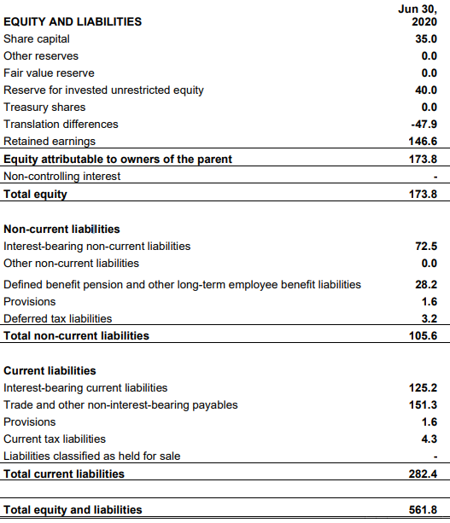
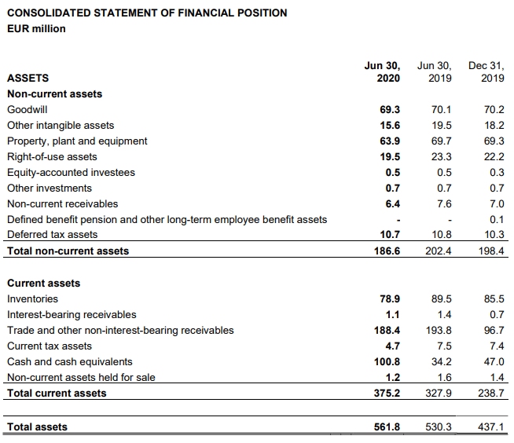
 | 4- What is Tikkurila's Net Debt |  |  |  | €m | 118.4 |  | Note: Figures generally provided at each quarter report or presentations
 |  |  |  |  |  |  |  | IN this context, the more detailed information comes from H1 2020 report

 | 5- Compute the Enterprise Value |  |  |  | €m | 1,221 |  | 1,618

 | 6- Calculate Last Twelve Months Revenue and EBIT Multiples

 |  |  |  | FY2019 | 9M 2020 | 9M 2019 | LTM Sept 2020A
 |  | Revenue | €m | 563.8 | 469.1 | 455.9 | 577
 |  | EBIT | €m | 46.4 | 70.5 | 54 | 62.9

 |  |  |  |  |  | LTM Sept 2020A |  | LTM Sept 2020A
 |  | Implied Multiple: |  | EV / Revenue | x | 2.1x |  | 2.8x
 |  |  |  | EV / EBIT | x | 19.4x |  | 25.7x

 | 7- What is 2020E Revenue and EBIT Multiples

 |  |  |  | FY2020E
 |  | Revenue | €m | 582
 |  | EBIT | €m | 64

 | 8- Calculate 2020 Revenue and EBIT Multiples
 |  |  |  |  |  | FY2020E |  | FY2020E
 |  | Implied Multiple: |  | EV / Revenue | x | 2.1x |  | 2.8x |  | : Debt & Debt-like items
 |  |  |  | EV / EBIT | x | 19.1x |  | 25.3x |  | : Cash & Cash-like items

 | 9- Synergies
 |  | There is anticipated €20m synergies to be obtained in the 2nd year after the deal. What is the 2020 EBIT multiples adjusted for synergies?
 |  |  |  |  |  | FY2020 |  | FY2020
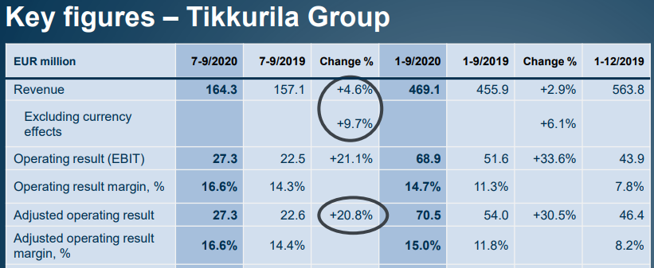
 |  | Implied Multiple: |  | EV / EBIT incl synergies | x | 14.5x |  | 19.3x

